C2 Form
BOILER TUBE FAILURE REPORT (C-2 FORM)
(C-2 FORM SHOULD BE SENT WITHIN 12 HOURS OF SYNCHRONISATION)

1) STATION: | NTPL | 2) UNIT No. |  | I | 3) LAST UNIT OUTAGE |  |  | Jul-20 | 4) LAST UNIT O/H |  | Dec-20
5) UNIT SHUTDOWN FROM |  | 15 | 05 | 21 |  | 18 | 56 | 9) OUTAGE HOURS |  | 33 | 15
6) WATER FILLING CLEARANCE |  | 16 | 05 | 21 |  | 23 | 00 | (ONLY DUE TO BTF) |  | hh | mm
7) CLEARANCE FOR LIGHTUP |  | 17 | 05 | 21 |  | 01 | 12 | 10) GENERATION LOSS
(AFTER REPAIR OF BTF) |  | dd | mm | yy |  | hh | mm | (ONLY DUE TO BTF) |  | MUS
8) UNIT SYNCHRONISED AT |  | 17 | 05 | 21 |  | 04 | 15
11) BTF INSPECTED BY |  | dd | mm | yy |  | hh | mm
 | BTF COMMITTEE HEAD |  |  |  |  | MTP |  |  |  | FQA
 |  | CHEMISTRY |  |  |  | OPERATION |  |  |  | O&C

BOILER TUBE FAILURE LOCATION
12) FAILED TUBE LOCATION MARKED ON UNIT MATERIAL DIAGRAM AND BOILER GENERAL ARRANGEMENT DRAWING
(CLEARLY IDENTIFYING TUBE NO., COIL NO., TUBE DIMENSION, TUBE MATERIAL AND X,Y,Z COORDINATES)
Tube dimension - 51x5 mm; SA 210 Gr.C . Corner 2 Corner Transistion tube number 25 @ 18 ML

DESCRIPTION OF BOILER FAILED TUBES

13) PHOTOGRAPHS OF LOCATION OF FAILURE BEFORE START OF REPAIR WORK
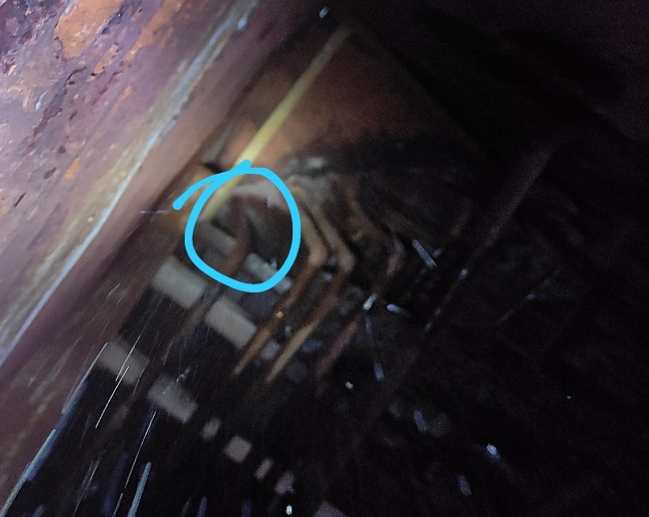

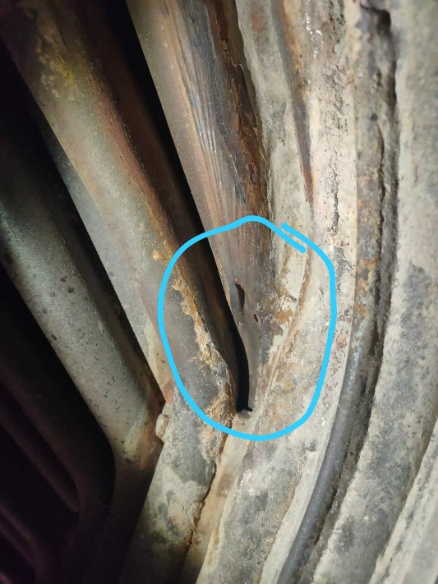

14) PHOTOGRAPHS OF PRIMARY FAILED TUBE

 | Primary Damage is underside of fin of the Corner Transition tube
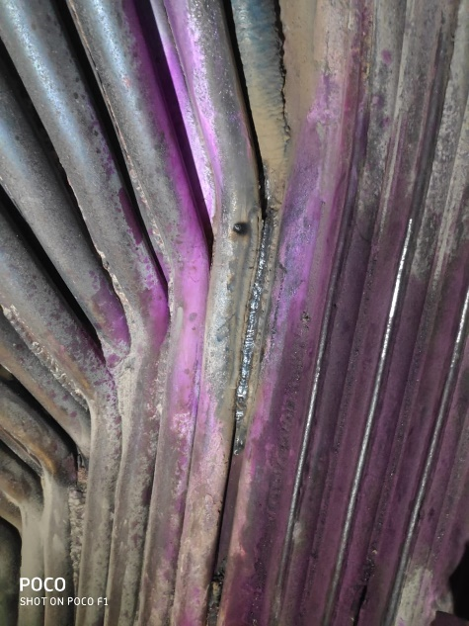

15) PHOTOGRAPHS OF REPAIRED LOCATION AFTER RESTORATION WORK

16) DETAILS OF REPAIR WORK (SPECIFY JOINT DETAILS, COIL NO./ TUBE NO. & RESTORATION WORK)
S-Panel to Corner 2 Transition @ 18 ML
 | Erection/Shop attachment weld failure. Observed slight undercut in attachment welding
 | Attended as Pinhole

 | Secondary damage erosion observed in Rear Waterwall Tube 1 @ 18 ML.
 | Repair attended by Metal build up

17) DETAILS OF INSPECTION OF ADJACENT AND IDENTICAL LOCATIONS
 | Dye Penetrant Testing of adjacent areas of failure for confirmation of only defect. Physical inspection of any erosions. None Observed

18) HISTORY OF WORK IN FAILED TUBE/COIL/LOCATION IN PAST FIVE YEARS

YEAR | HISTORY OF WORK (DETAILS OF WORK DONE IN THE AREA/COIL
 | LOCATION | Tube/Coil No. |  |  | No. OF TUBES REPLACED |  |  | NATURE OF FAILURE & WORK
 | NIL

19) REMARKS

20) STATION OBSERVATION W.R.T. CAUSE OF TUBE FAILURE
Erection/Shop attachment welding failure.
COPY TO: |  | 1) DISPLAY IN UCB
 |  | 2) GM/O&M
 |  | 3) HOD (OS-BOILER)
 |  |  |  |  |  |  |  | (SIGNATURE OF BTF HEAD)
 |  |  |  |  |  |  |  | NAME:
 |  |  |  |  |  |  |  | DESIGNATION:
 |  |  |  |  |  |  |  | DATE:

